DP2
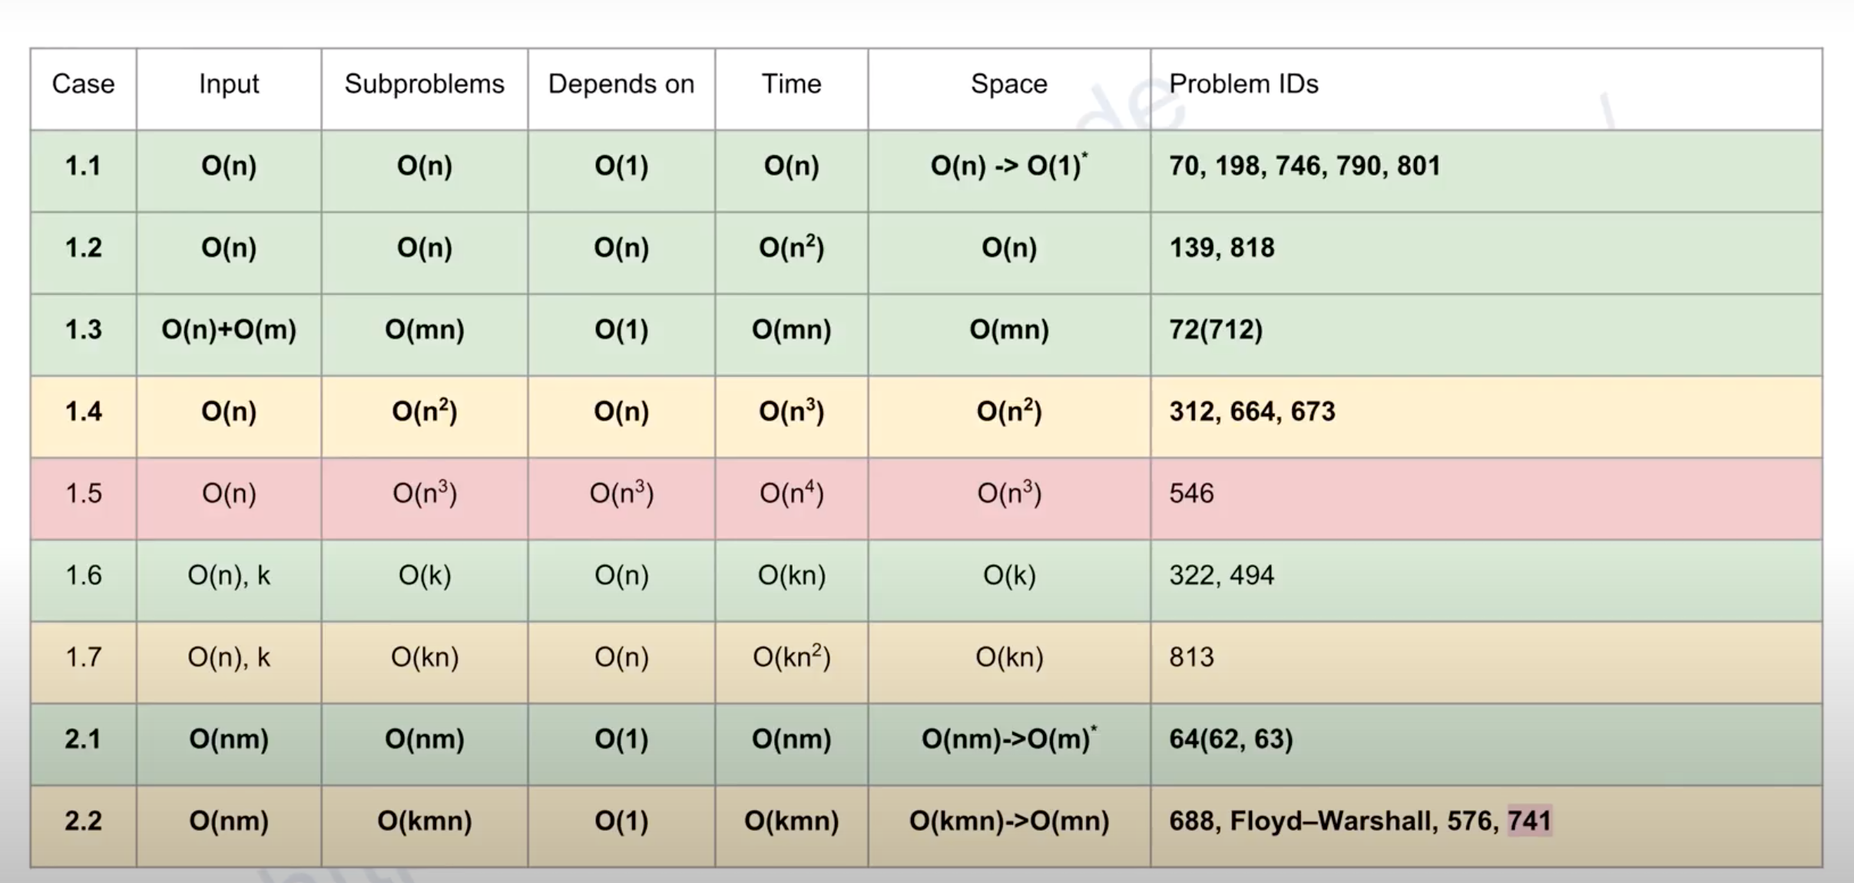

complexity
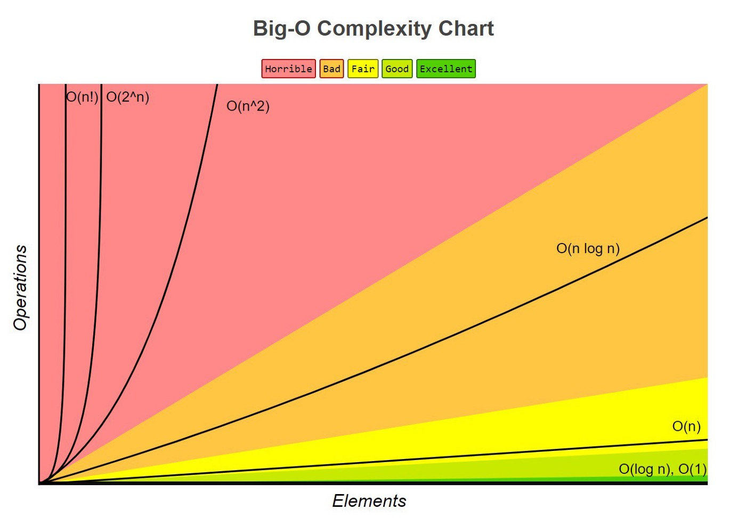

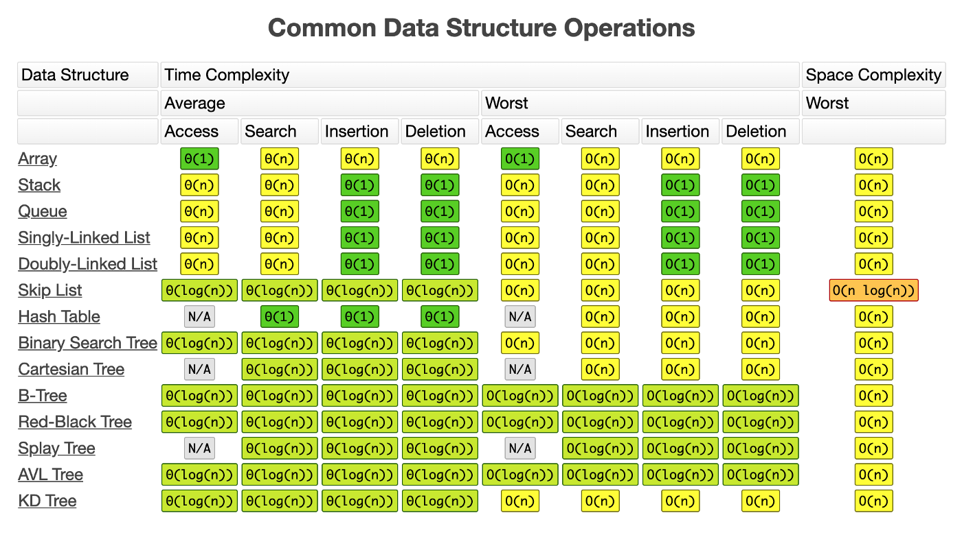

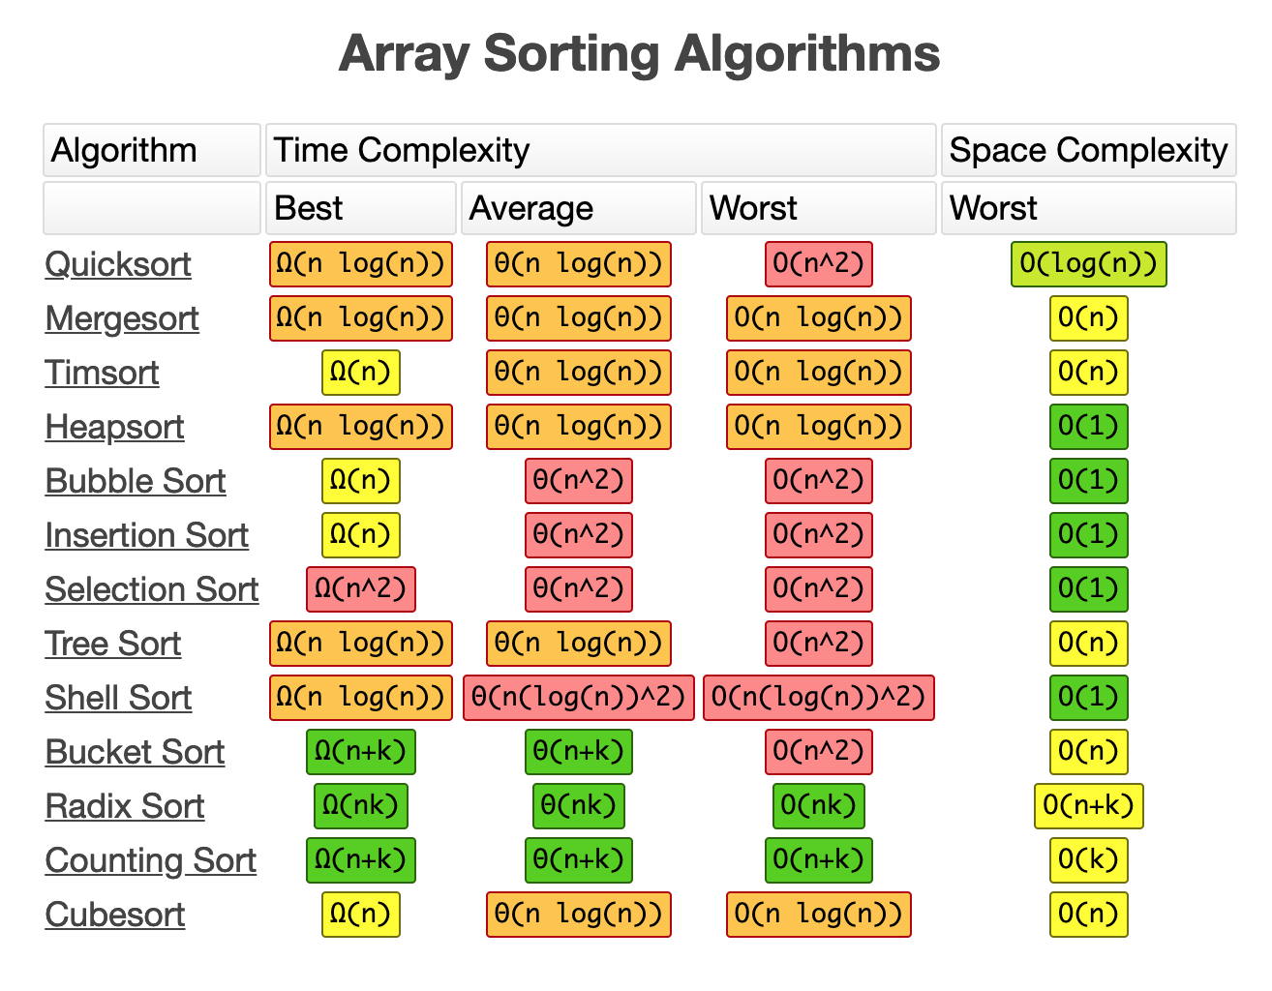

 | time complexity |  |  | space
 | best Ω | ave ⍬ | worst O | worst
insertion | n | n2 | n2 | n(1) | while loop within a for loop

